PRS
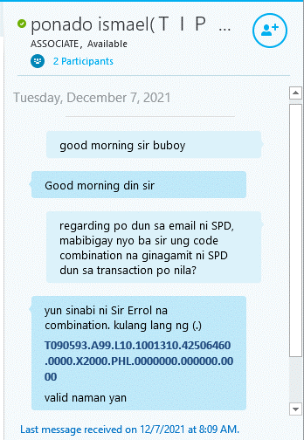
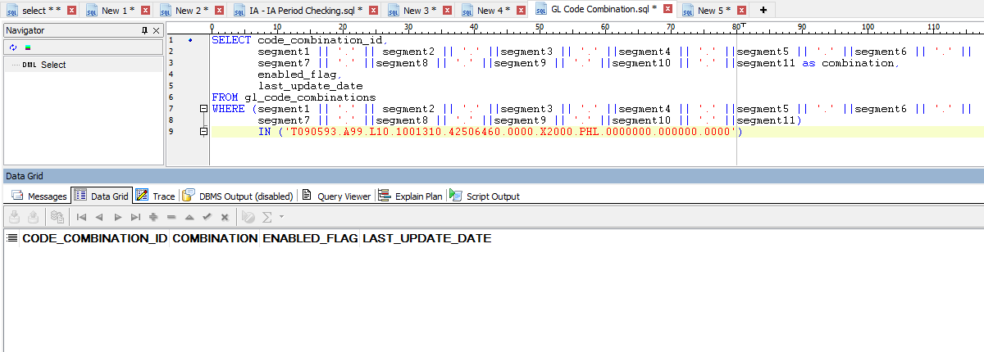
Hingin mo lang kay portal team ung script kung bakit nagerror papuntang PRAS

SELECT gcc.CODE_COMBINATION_ID, gcc.segment1, gcc.segment2, gcc.segment3,
gcc.segment4, gcc.segment5, gcc.segment6, gcc.segment7, gcc.segment8, gcc.segment9, gcc.segment10,
gcc.segment11 FROM per_all_people_f papf, per_all_assignments_f paaf, gl_code_combinations gcc, ap_suppliers aps
WHERE papf.person_id = paaf.person_id AND paaf.default_code_comb_id = gcc.code_combination_id
AND papf.employee_number = aps.segment1 AND paaf.effective_end_date = (SELECT MAX(effective_end_date)
FROM per_all_assignments_f
WHERE person_id = papf.person_id) AND papf.employee_number = 'T090593196D0008' | --employee number ni user
AND sysdate BETWEEN paaf.effective_start_date and paaf.effective_end_date
AND paaf.primary_flag = 'Y'

